F7 READY
GLASS FOLDING PARKING SYSTEM F7 |  |  |  |  |  | Price list 2017
Includes the cost for natural anodized aluminum profiles per panel and accessories needed it necessary for the proper condition of the system. |  |  |  |  | PANEL WIDTH | F7 PARKING

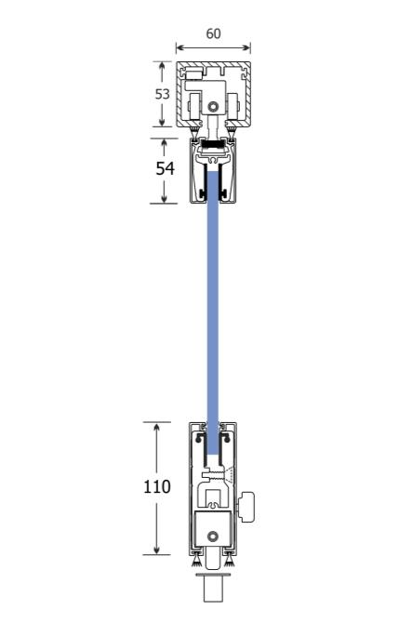
 |  |  |  |  | 0-34cm | SEK 2,600.00
 |  |  |  |  | 35-40cm | SEK 2,730.00
 |  |  |  |  | 41-45cm | SEK 2,795.00
 |  |  |  |  | 46-50cm | SEK 2,860.00
 |  |  |  |  | 51-55cm | SEK 2,925.00
 |  |  |  |  | 56-60cm | SEK 2,990.00
 |  |  |  |  | 61-65cm | SEK 3,055.00
 |  |  |  |  | 66-70cm | SEK 3,120.00
 |  |  |  |  | 71-75cm | SEK 3,185.00
 |  |  |  |  | 76-80cm | SEK 3,250.00
 |  |  |  |  | 81-85cm | SEK 3,315.00
 |  |  |  |  | 86-90cm | SEK 3,380.00
 |  |  |  |  | 91-95cm | SEK 3,445.00
 |  |  |  |  | 96-100cm | SEK 3,510.00
 |  |  |  |  | 101-105cm | SEK 3,750.00
 |  |  |  |  | 106-110cm | SEK 364.00
 |  |  |  |  | 111-115cm | SEK 3,770.00
 |  |  |  |  | 116-120cm | SEK 3,900.00

F7.1
F7.2
Glass types |  |  |  | Price / m2 |  | System types
Glass 10mm tempered clear |  |  |  | SEK 416.00
Glass 10mm tempered satin |  |  |  | SEK 585.00
Glass 5+4mm tempered clear |  |  |  | SEK 1,105.00
Glass 5+4mm tempered mat film |  |  |  | SEK 1,170.00

F7.4
F7.3
TOTAL PRICE CALCULATION
Fill the blue colorized sections
Opening width (cm) |  | 500
Opening height (cm) |  | 250
System type |  | F7.1
F7.5
F7.6
Total numbers of panels |  | 5
Roof mechanism |  | 0

Glass type | Glass 10mm tempered clear
Different Colour | Natural anodized

F7.7
Discount for aluminum profiles (%) |  | 0%
Total cost for aluminum profiles: |  | SEK 17,550.00
Total cost including glasses: |  | SEK 22,490.00

Prices does not include packaging & freights. Prices does not include VAT. Prices may change without any further notice

F7.1 | Natural anodized |  | 0
F7.2 | Ral electrostatic |  | 1
F7.3 | Special electrostatic |  | 2
F7.4 | Wooden imitation |  | 3
F7.5 | Inox imitation |  | 4
F7.6
F7.7

