F1 READY
GLASS FOLDING ACCORDION SYSTEM F6w |  |  |  |  |  | Price list 2017
Includes the cost for natural anodized aluminum profiles per panel and accessories needed it necessary for the proper condition of the system. |  |  |  |  | PANEL WIDTH | F6w HINGE FOLDING DOOR

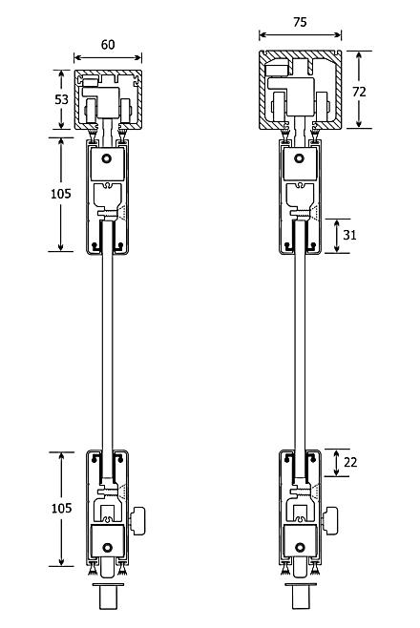
 |  |  |  |  | 0-34cm | SEK 2,600.00
 |  |  |  |  | 35-40cm | SEK 2,730.00
 |  |  |  |  | 41-45cm | SEK 2,795.00
 |  |  |  |  | 46-50cm | SEK 2,860.00
 |  |  |  |  | 51-55cm | SEK 2,925.00
 |  |  |  |  | 56-60cm | SEK 2,990.00
 |  |  |  |  | 61-65cm | SEK 3,055.00
 |  |  |  |  | 66-70cm | SEK 2,730.00
 |  |  |  |  | 71-75cm | SEK 3,185.00
 |  |  |  |  | 76-80cm | SEK 3,250.00
 |  |  |  |  | 81-85cm | SEK 3,315.00
 |  |  |  |  | 86-90cm | SEK 3,380.00
 |  |  |  |  | 91-95cm | SEK 3,445.00
 |  |  |  |  | 96-100cm | SEK 3,510.00

F6w.0
Glass types |  |  |  | Price / m2 |  | System types
Glass 10mm tempered clear |  |  |  | SEK 416.00
Glass 10mm tempered satin |  |  |  | SEK 585.00
Glass 5+4mm tempered clear |  |  |  | SEK 1,105.00
Glass 5+4mm tempered mat film |  |  |  | SEK 1,170.00

F6w.1
TOTAL PRICE CALCULATION
Fill the blue colorized sections
Opening width (cm) |  |  | 375
Opening height (cm) |  |  | 220
System type |  |  | F6w.0
F6w.2
Total numbers of panels |  |  | 5

Glass type |  | Glass 10mm tempered clear
Different Colour |  | Natural anodized

F6w.3
Discount for aluminum profiles (%) |  |  | 0%
Total cost for aluminum profiles: |  |  | SEK 15,925.00
Total cost including glasses: |  |  | SEK 18,974.80

Prices does not include packaging & freights. Prices does not include VAT. Prices may change without any further notice

75 | 3185 | 7.33125 | 15925 | 416 | 18974.8
 |  |  | 15925 | 3049.8

93.75 | 3445 |  | 16380 |  | 19429.8
0 | 2600 |  | 16380

41.666666667 | 2795 |  | 16055 |  | 19104.8
83.333333333 | 3315 |  | 16055

 |  | Natural anodized |  | 15,925.00 €
F6w.0 |  | Ral electrostatic
F6w.1 |  | Special electrostatic
F6w.2 |  | Wooden imitation
F6w.3 |  | Inox imitation

