F5 READY
Glass folding system F5 |  |  |  |  |  |  | Price list 2017
Includes the cost for natural anodized aluminum profiles per panel and accessories needed it necessary for the proper condition of the system. |  |  |  |  |  | PANEL WIDTH | F5 PARKING

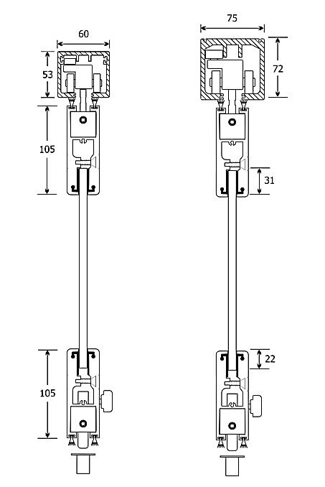
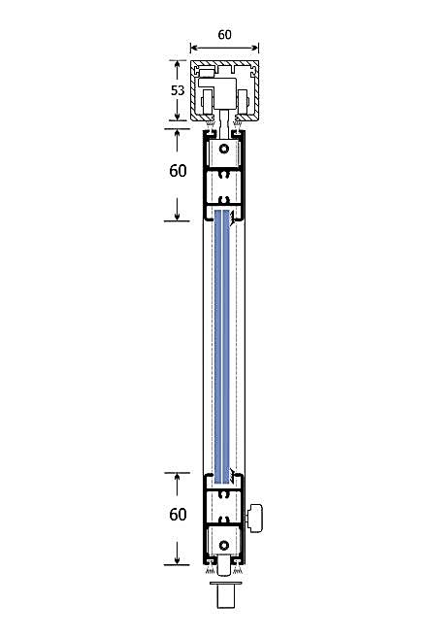
 |  |  |  |  |  | 0-34cm | SEK 2,795.00
 |  |  |  |  |  | 35-40cm | SEK 2,808.00
 |  |  |  |  |  | 41-45cm | SEK 2,834.00
 |  |  |  |  |  | 46-50cm | SEK 2,860.00
 |  |  |  |  |  | 51-55cm | SEK 2,886.00
 |  |  |  |  |  | 56-60cm | SEK 2,912.00
 |  |  |  |  |  | 61-65cm | SEK 2,938.00
 |  |  |  |  |  | 66-70cm | SEK 2,964.00
 |  |  |  |  |  | 71-75cm | SEK 2,990.00
 |  |  |  |  |  | 76-80cm | SEK 3,016.00
 |  |  |  |  |  | 81-85cm | SEK 3,042.00
 |  |  |  |  |  | 86-90cm | SEK 3,068.00
 |  |  |  |  |  | 91-95cm | SEK 3,094.00
 |  |  |  |  |  | 96-100cm | SEK 3,120.00
 |  |  |  |  |  | 101-105cm | SEK 3,146.00
 |  |  |  |  |  | 106-110cm | SEK 3,172.00
 |  |  |  |  |  | 111-115cm | SEK 3,198.00
 |  |  |  |  |  | 116-120cm | SEK 3,224.00

F5.1
F5.2
Glasses |  |  |  |  | Price / m2 |  | System types
Glass 10mm tempered clear |  |  |  |  | SEK 416.00
Glass 10mm tempered satin |  |  |  |  | SEK 585.00
Glass 5+5mm clear |  |  |  |  | SEK 481.00
Glass 5+5mm clear mat |  |  |  |  | SEK 611.00

F5.3
F5.4
TOTAL PRICE CALCULATION
Fill the blue colorized sections
Opening width (cm) |  |  | 500
F5.5
Opening height (cm) |  |  | 250
F5.6
System type |  |  | F5.1
Total numbers of panels |  |  | 5
Roof spring |  |  | 0

F5.7
F5.8
Glass type |  | Glass 10mm tempered clear
Different Colour |  | Natural anodized

Discount for aluminum profiles (%) |  |  | 0%
Total cost for aluminum profiles: |  |  | SEK 15,600.00
Total cost including glasses: |  |  | SEK 20,440.16

Prices does not include packaging & freights. Prices does not include VAT. Prices may change without any further notice

100 | 3120 | 11.635 | 15600 |  | 416 | 20440.16
 |  |  | 15600 |  | 4840.16

F5.1 |  | Natural anodized |  | 0 |  | 15,600.00 €
F5.2 |  | Ral electrostatic |  | 1
F5.3 |  | Special electrostatic |  | 2
F5.4 |  | Wooden imitation |  | 3
F5.5 |  | Inox imitation |  | 4
F5.6
F5.7
F5.8

