F4 READY
GLASS FOLDING ACCORDION SYSTEM F4 |  |  |  |  |  |  | Price list 2017
Includes the cost for natural anodized aluminum profiles per panel and accessories needed it necessary for the proper condition of the system. |  |  |  |  |  | PANEL WIDTH | F4 PARKING FOLDING DOOR price of aluminum profiles with all the needed parts

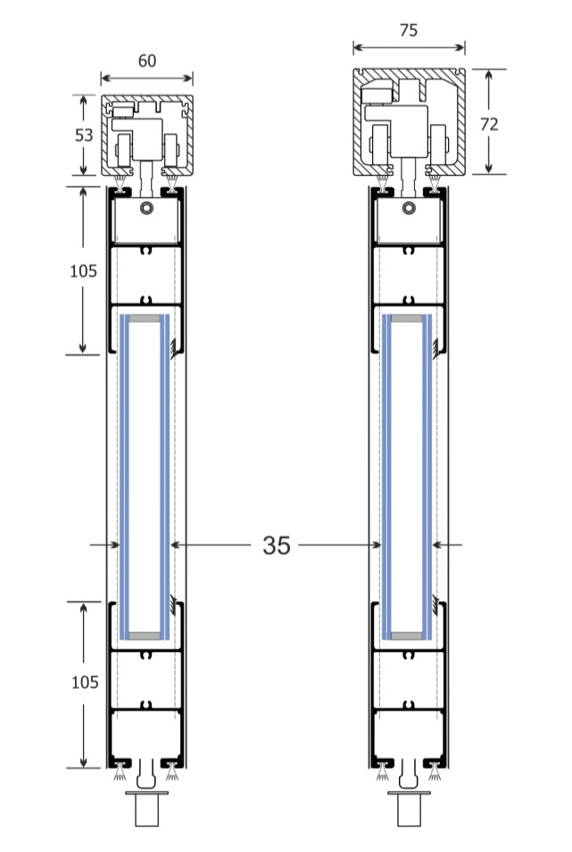
 |  |  |  |  |  | 0-34cm | SEK 3,510.00
 |  |  |  |  |  | 35-40cm | SEK 3,640.00
 |  |  |  |  |  | 41-45cm | SEK 3,666.00
 |  |  |  |  |  | 46-50cm | SEK 3,692.00
 |  |  |  |  |  | 51-55cm | SEK 3,731.00
 |  |  |  |  |  | 56-60cm | SEK 3,770.00
 |  |  |  |  |  | 61-65cm | SEK 3,848.00
 |  |  |  |  |  | 66-70cm | SEK 3,939.00
 |  |  |  |  |  | 71-75cm | SEK 4,030.00
 |  |  |  |  |  | 76-80cm | SEK 4,134.00
 |  |  |  |  |  | 81-85cm | SEK 4,238.00
 |  |  |  |  |  | 86-90cm | SEK 4,342.00
 |  |  |  |  |  | 91-95cm | SEK 4,446.00
 |  |  |  |  |  | 96-100cm | SEK 4,576.00
 |  |  |  |  |  | 101-105cm | SEK 4,654.00
 |  |  |  |  |  | 106-110cm | SEK 4,758.00
 |  |  |  |  |  | 111-115cm | SEK 4,862.00
 |  |  |  |  |  | 116-120cm | SEK 4,966.00

F4.1
F4.2
Glass types |  |  |  |  | Price / m2 | System types
Double glass 5mm clear - Gap 10mm - 5mm clear |  |  |  |  | SEK 520.00
Double glass 5mm clear - Gap 10mm - 6mm low-e |  |  |  |  | SEK 780.00
Double glass 3+3mm clear - Gap 10mm - 3+3mm |  |  |  |  | SEK 1,170.00
Double glass 3+3mm clear - Gap 10mm - 4+4mm low-e |  |  |  |  | SEK 1,430.00
F4.3
F4.4
TOTAL PRICE CALCULATION
Fill the blue boxes
Opening width (cm) |  |  | 500
F4.5
Opening height (cm) |  |  | 280
F4.6
System type |  |  | F4.1
Numbers of panels |  |  | 5
Opening sliding door (roof spring) |  |  | 0

F4.7
F4.8
Glass type |  | Double glass 5mm clear - Gap 10mm - 5mm clear
Different Colour |  | Natural anodized

Discount for aluminum profiles (%) |  |  | 0%
Total cost for aluminum profiles: |  |  | SEK 22,880.00
Total cost including glasses: |  |  | SEK 29,523.00

Prices does not include freights. Prices does not include VAT. Prices may change without any further notice

100 | 4576 | 12.775 | 22880 |  | 520 | 29523
 |  |  | 22880 |  | 6643

F4.1 |  | Natural anodized |  | 0 |  | 22,880.00 €
F4.2 |  | Ral electrostatic |  | 1
F4.3 |  | Special electrostatic |  | 2
F4.4 |  | Wooden imitation |  | 3
F4.5 |  | Inox imitation |  | 4
F4.6
F4.7
F4.8

