F4 READY
GLASS FOLDING ACCORDION SYSTEM F4 Thermo |  |  |  |  |  |  | PRICE LIST 2017
Includes the cost for natural anodized aluminum profiles per panel and accessories needed it necessary for the proper condition of the system. |  |  |  |  |  | PANEL WIDTH | F4 Thermo PARKING FOLDING DOOR price of aluminum profiles with all the needed parts

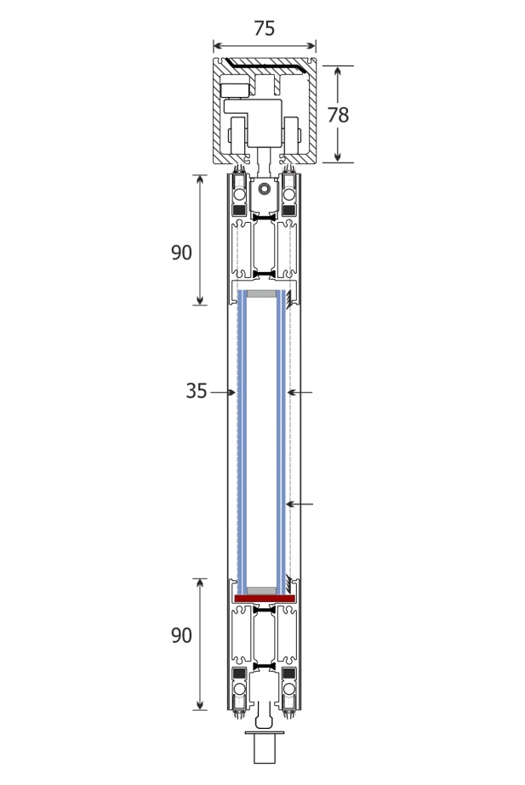
 |  |  |  |  |  | 0-34cm
 |  |  |  |  |  | 35-40cm
 |  |  |  |  |  | 41-45cm
 |  |  |  |  |  | 46-50cm
 |  |  |  |  |  | 51-55cm
 |  |  |  |  |  | 56-60cm | SEK 5,980.00
 |  |  |  |  |  | 61-65cm | SEK 6,110.00
 |  |  |  |  |  | 66-70cm | SEK 6,240.00
 |  |  |  |  |  | 71-75cm | SEK 6,370.00
 |  |  |  |  |  | 76-80cm | SEK 6,500.00
 |  |  |  |  |  | 81-85cm | SEK 6,630.00
 |  |  |  |  |  | 86-90cm | SEK 6,760.00
 |  |  |  |  |  | 91-95cm | SEK 6,890.00
 |  |  |  |  |  | 96-100cm | SEK 6,630.00
 |  |  |  |  |  | 101-105cm | SEK 7,150.00
 |  |  |  |  |  | 106-110cm | SEK 7,306.00
 |  |  |  |  |  | 111-115cm | SEK 7,410.00
 |  |  |  |  |  | 116-120cm | SEK 7,540.00

F4.1
F4.2
Glass types |  |  |  |  | Price / m2
Double glass 5mm clear - Gap 10mm - 5mm clear |  |  |  |  | SEK 520.00
Double glass 5mm clear - Gap 10mm - 6mm low-e |  |  |  |  | SEK 720.00
Double glass 3+3mm clear - Gap 10mm - 3+3mm |  |  |  |  | SEK 1,170.00
Double glass 3+3mm clear - Gap 10mm - 4+4mm low-e |  |  |  |  | SEK 1,430.00
F4.3
F4.4
TOTAL PRICE CALCULATION
Fill the blue boxes
Opening width (cm) |  |  | 500
F4.5
Opening height (cm) |  |  | 250
F4.6
System type |  |  | F4.1
Numbers of panels |  |  | 5
Opening sliding door (roof spring) |  |  | 1
* each sping roof mechanism include handrail Φ40 Χ door height
F4.7
F4.8
Glass type |  | Double glass 3+3mm clear - Gap 10mm - 4+4mm low-e
Different Colour |  | Natural anodized

Discount for aluminum profiles (%) |  |  | 30%
Total cost for aluminum profiles: |  |  | SEK 23,674.00
Total cost including glasses: |  |  | SEK 39,797.25

Prices does not include freights. Prices does not include VAT. Prices may change without any further notice

100 | 6630 | 11.275 | 33820 |  | 1430 | 39797.25
 |  |  | 23674 |  | 16123.25

 |  |  |  |  | 23,674.00 €

F4.1 |  | Natural anodized |  | 0
F4.2 |  | Ral electrostatic |  | 1
F4.3 |  | Special electrostatic |  | 2
F4.4 |  | Wooden imitation |  | 3
F4.5 |  | Inox imitation |  | 4
F4.6
F4.7
F4.8

